Notes
FIELD DEVELOPMENT WORKS

NOTES:

1 | All the testing, checking and calibration work shall be in accordance with Instrument Installation and Testing Specification
2 | The CONTRACTOR shall make sure that proper arrangements shall be available at site for the calibration, testing, seat leakage testing of instruments, control and shut down valves .
3 | It shall be CONTRACTOR’s responsibility to confirm the connection type, size, material, rightness and suitability to the hook-up fittings, of all the local instruments by means of checking against instrument location drawings, piping general arrangement
4 | Installation of orifice flanges,choke valve and relief valves included in mechanical contractor scope.
5 | All the Cable Ladders, for the main run of the cables and cable Ladder/Tray required for branch offs to the individual instruments, or a group of instruments, junction boxes, panels, and any other equipment or skid to which cable needs to be connected
6 | Main cable tray shall run on supports / sleepers provided by civil contractor.
7 | CONTRACTOR shall use the existing structural steel work for the cable routing to the individual instruments to the maximum but only after the approval from the COMPANY. For any other area where the steel structure is not available, CONTRACTOR shall be responsible
8 | Cables shall be cut after verification of length on site.
9 | Contractor shall perform cable insulation test, cable resistance test, continuity test etc. before and after laying of cables. Results of such test shall be documented & certificate shall be issued.
10 | It shall be the responsibility of the CONTRACTOR to establish the exact location and obtain approval of the COMPANY prior to proceeding with the installation of panels.
11 | The CONTRACTOR shall carry out the fabrication, painting and installation of all temporary/permanent stands, Supports, poles and frames required for the installation of instruments, F&G detectors, Smoke and heat detectors, Manual Alarm/Call points, Junction
12 | All the material for such stands, supports, stanchions & frames including but not limited to steel bars, angle channels, plates, bolts/nuts/washers etc. shall be provided by the CONTRACTOR.
13 | Contractor shall install tubing on cable trays as shown on respective drawing.
14 | All the tubing shall be supported at every three meter of horizontal run.
15 | Instrument Tags shall be made from UV Stabilised Laminated Triplex Plastic. And shall be attached using 316SS M3 size nuts and bolts.
16 | Fixing holes in the labels shall be oversize to allow thermal expansion and contraction.
17 | Panel Component tags shall be attached using an adhesive recommended by the Tag manufacturer.
18 | Quantities may increase / decrease due to any reason. Total price shall be adjusted accordingly
19 | It includes tubing for SCSSSV, UMV,WV and Flowline corrision skid.
20 | Red mark IFC package shall be included in the base price
21 | INSTRUMENT TAG PLATE (TYP.) | 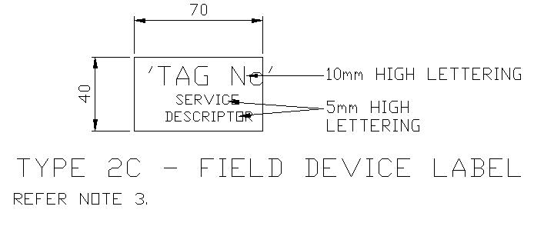
22 | PANEL TAG PLATE (TYP.) | 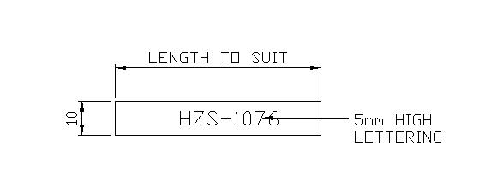
23 | Contractor to develop Isometric Drawings based upon Piping Plans.
24 | BOQ is not only limited to Well Head, Well Head Cooler or Compressor, pricing includes working within Processing Facilties also.

